FBT on vehicle
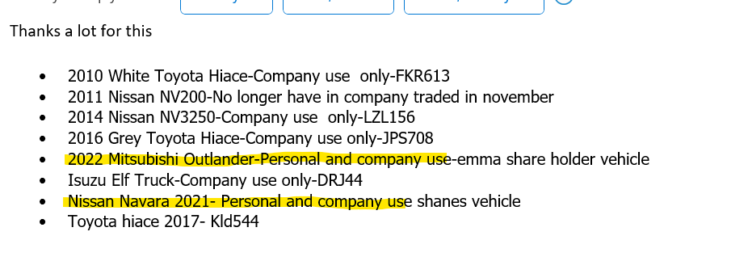
FBT on Private Use of Motor Vehicle |  |  |  | Period/Year Ended | 2024-03-31 |  | Key
Client Name | Summit Property Maintenance Limited |  |  | Preparer | RM |  | Populate each box with the relevant information
 |  |  |  | Date | 2024-04-11

Background
If a motor vehicle is available for private use by a shareholder employee, we're required to calcualte and account for Fringe Benefit Income. This is taxable income in the Company.
The vehicle must be owned in the Company in order for FBT to be triggered. If there is a restrictive use letter written from the director to the shareholder employee, there are some situations where a vehicle can be exempt from FBT

Instructions for the workbook below
*Only enter details into the blue boxes*

1. Enter each vehicle subject to FBT into a line below
2. Populate all fields in the blue boxes
3. Post the journal in the green box

Vehicle Name (as per depreciation schedule) | GST Incl Cost | Date of Purchase | Days owned in the FY | Personal Use | FBT Rate
Nissan Navarra | $59,995.01 | 2021-08-07 | 248.0 | 29% | 20%
 |  |  | 0.29 | Per last year, client mentioned private use for weekend
 |  |  |  | Sold - 5/12/2023

Vehicle Name (as per depreciation schedule) | GST Incl Cost | Date of Purchase | Months owned in the FY | Personal Use | FBT Rate
Mitsubishi Outlander | $57,649.99 | 2022-06-08 | 12 | 29% | 20%
 |  |  | 0.29 | Per last year, client mentioned private use for weekend

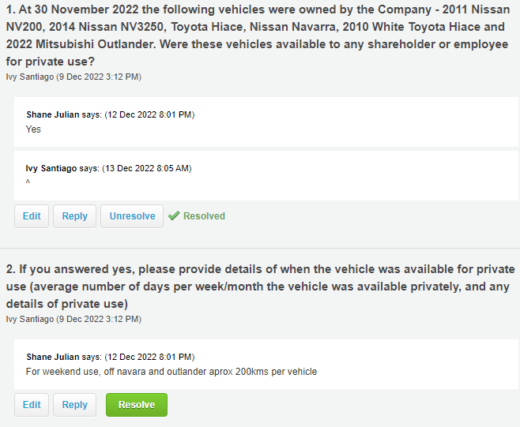
Vehicle Name (as per depreciation schedule) | GST Incl Cost | Date of Purchase | Months owned in the FY | Personal Use | FBT Rate
Ford Ranger NTL476 | $64,995.00 | 2023-12-05 | 118 | 29% | 20%
 |  |  | 0.29 | Per last year, client mentioned private use for weekend

Journal to be posted in Xero
2023 Annual accounts: to record FBT on private use of vehicle
Dr Drawings - Shane |  | $2,322.99 |  |  | April | 30
Cr FBT on Private Use of Vehicle |  |  |  | $2,019.99 | May | 31
Cr GST |  |  |  | $303.00 | June | 30
 |  |  |  |  | July | 31
Dr Drawings - Emma |  | $3,294.29 |  |  | August | 31
Cr FBT on Private Use of Vehicle |  |  |  | $2,864.60 | September | 30
Cr GST |  |  |  | $429.69 | October | 31
 |  |  |  |  | November | 30
Dr Drawings - Shane |  | $1,197.41 |  |  | December | 4
Cr FBT on Private Use of Vehicle |  |  |  | $1,041.23 | Total Days - Navara | 248
Cr GST |  |  |  | $156.18
 |  |  |  |  | December | 27
 |  |  |  |  | January | 31
 |  |  |  |  | February | 29
 |  |  |  |  | March | 31
 |  |  |  |  | Total Days - Ford | 118

